Supplier's Listing
Visual or Sample n° | REFERENCE | DESIGNATION | Colour(s) | SIZE | Measure units | Brand/License | Quantity | Colisage | Cartons
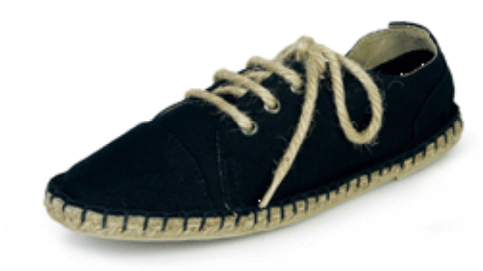 | CS.12.022 | Women's Espadrille Lace-up textil | Black | 36-41 | Pair | Rosalinda | 876 | 12 | 73
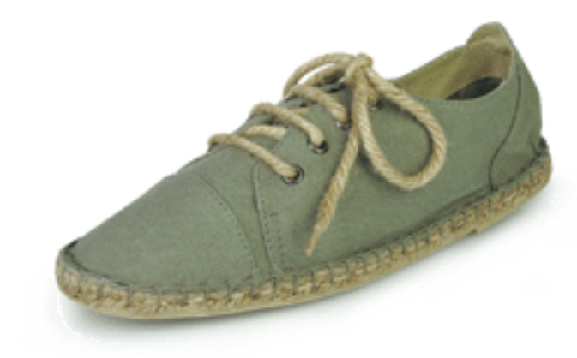 | CS.12.022A | Women's Espadrille Lace-up textil | Grey | 36-41 | Pair | Rosalinda | 900 | 12 | 75
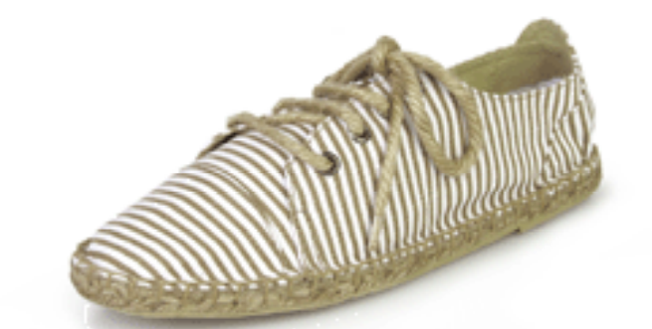 | CS.12.023 | Women's Espadrille Lace-up textil | White / Beige | 36-41 | Pair | Elnora | 816 | 12 | 68
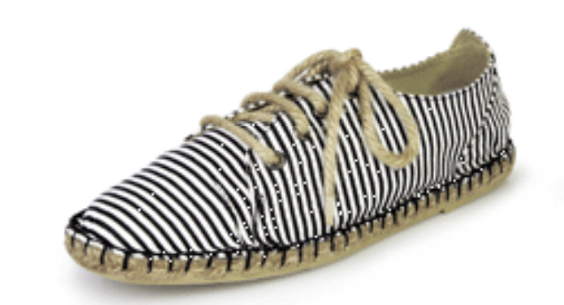 | CS.12.023A | Women's Espadrille Lace-up textil | White / Black | 36-41 | Pair | Elnora | 804 | 12 | 67
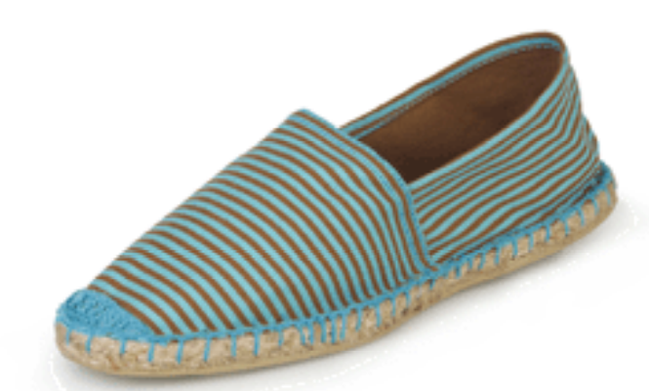 | CS.12.024 | Women's Espadrille textil | Brown/ Blue | 36-41 | Pair | Zilar | 2655 | 15 | 177
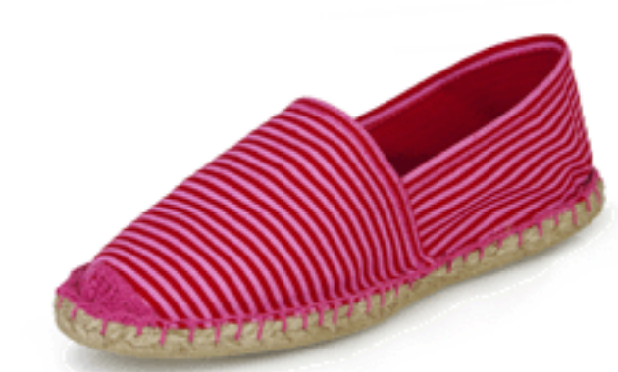 | CS.12.024A | Women's Espadrille textil | Pink/Red | 36-41 | Pair | Zilar | 2775 | 15 | 185
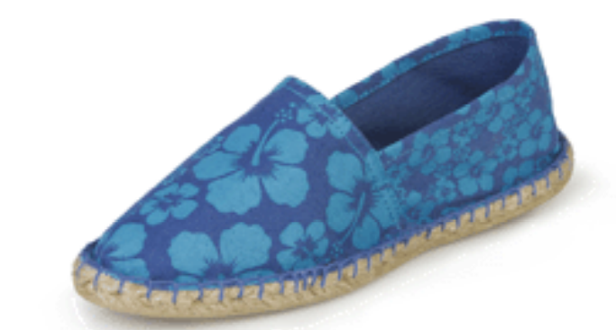 | CS.12.025 | Women's Espadrille textil | Blue | 36-41 | Pair | Carlene | 2835 | 15 | 189
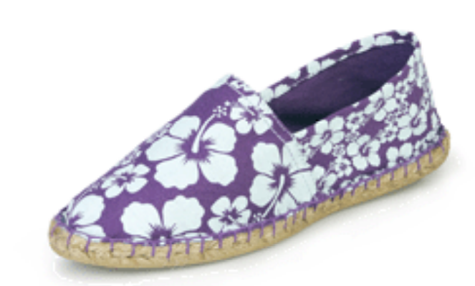 | CS.12.025A | Women's Espadrille textil | Purple | 36-41 | Pair | Carlene | 2850 | 15 | 190
 |  |  |  |  |  |  | 14511

